1. Title Page
[Instacart Basket Analysis

Project Name: Instacart Grocery Basket Analysis
Date: March, 2024
Analyst Name: Ana María Tiscareno

Contents:
Population Flow
Consistency checks
Wrangling steps
Column derivations
Visualizations
Recommendations

2. Population Flow
Title page

Population flow

Exclusion flag
Condition: max_order <
Obervations to be removed:
Final total count of order_products_all:

Orders_products_combined
Orders_products_merged
Orders_products_all

Total: 32,404,859
Total: 32,434,489
Total: 32,404,859

1.) The grey boxes in the first row of the population flow represent the original data sets as they were when you downloaded them. In the Total fields you need to add the count of the rows when you imported the data set into Jupyter.
2.) The second row of boxes (coloured) represents the data sets after you manipulated them, e.g., removed missing values and duplicates. In the Total fields you need to add the count of the rows after conducting these operations. This offers a visual oveview of how the data flows throughout the data consistency checks.
3.) The third row, where also the arrows are coloured, represents the merges you performed between the datasets. In the Total fields you need to add the count of the rows in the merged datasets, so that you end up with the final dataset (in the red box). Keep in mind the final dataset should be without exclusions (based on the exclusion flag).

3. Consistency checks
 |  |  |  | Title page
Consistency checks

Dataset | Missing values | Missing values treatment | Duplicates
orders | days_since_prior_order (206,209 missing values) | These missing values represented the new customers first orders customers made. Therefore, a new variable was created which acts like a flag based on the missing value. | No-duplicates
products | product_name (16 missing values) | Missing values were exported into its own database (df_nan). | 5 duplicates were found and dropped in df_prods_clean_no_dups dataframe.
orders_products_prior | None | N/A | No-duplicates
customers | first_name (11,259 missing values) | First names and last names should be removed due to PII risk. Date_joined should be removed because it is unnecessary. | No-duplicates

4. Wrangling steps
 |  |  |  | Title page
Wrangling steps

Columns dropped | Columns renamed | Columns' type changed | Comment/Reason
eval_set |  |  | not necessary for analysis
 |  |  | ambiguous column name, changed to orders_day_of_week
 |  | order_id | change to string
 |  | user_id | change to string
 | Index |  | transposed dataset and added an index and new header
 | first_name |  | Changed to First_name for consistency
 | surname |  | Change to Last_name for consistency
 | STATE |  | Changed to state for consistency
 | n dependants |  | Changed to number_of_dependents for consistency
 | fam_status |  | Changed to marital_status for consistenc

5. Column derivations
 |  |  |  |  | Title page

Column derivations and aggregations

In this tab you should add tables below that the frequences of flags/label variables that you produced after deriving them. NB: don't do this for continuous variables, only for flags.
Dataset | New column | Column/s it was derived from | Conditions | CODE
orders_products_merged.pkl | price_range | prices | If price <=5, then low-range product. If else price > 5 and <= 15, then mid-range product. If else price > 15, then high-range product. | if row['prices'] <= 5: return 'Low-range product' elif (row['prices'] > 5) and (row['prices'] <= 15): return 'Mid-range product' elif row['prices'] > 15: return 'High range' else: return 'Not enough data'
 | busisest_day | orders_dow | If day 0 then busiest day. If day 4 then least busy day. If else, then regularly busy. | for value in df_orders_products_merged["orders_day_of_week"]: if value == 0: result.append("Busiest day") elif value == 4: result.append("Least busy") else: result.append("Regularly busy")
 | busisest_day | orders_dow | If day 0 or 1 then busiest days. If day 4 or 3 then slowest days. If else, then regularly busy days. | for value in df_orders_products_merged['orders_day_of_week']: if value == day_number[0] or value == day_number[1]: results.append('Busiest days') elif value == day_number[len(day_number) - 1] or value == day_number[len(day_number) - 2]: results.append('Slowest days') else: results.append('Regulary busy days')
 | busiest_period_of_day | order_hour_of_day | If hour of day < list_quantile[2] then fewest orders. If else hour of day >= list_quantile[2] and <=list_quantile [1] then average orders. If else hour of day >=list_quantile [1] then most orders. | for value in df_orders_products_merged['order_hour_of_day']: for key, val in dict_labeling_counts.items(): if value == key: if val < list_quantile[2]: results_labeling_hour.append('Fewest orders') elif val >= list_quantile[2] and val < list_quantile[1]: results_labeling_hour.append('Average orders') elif val >= list_quantile[1]: results_labeling_hour.append('Most orders')
orders_products_merged_update.pkl | max_order | user_id, order_number | Maximum number of orders | df_orders_products_merged_update['max_order'] = df_orders_products_merged_update.groupby(['user_id']) ['order_number'].transform(np.max)
 | loyalty_flag | max_order | If max_order > 40 then loyal customer. If max order <=40 and > 10 then regular customer. If max order <= 10 then new customer. | df_orders_products_merged_update.loc[df_orders_products_merged_update['max_order'] > 40, 'loyalty_flag'] = 'Loyal customer' df_orders_products_merged_update.loc[(df_orders_products_merged_update['max_order'] <= 40) & (df_orders_products_merged_update['max_order'] > 10), 'loyalty_flag'] = 'Regular customer' df_orders_products_merged_update.loc[df_orders_products_merged_update['max_order'] <= 10, 'loyalty_flag'] = 'New customer'
 | average_price | user_id, prices | Average prices of products ordered by user | df_orders_products_merged_update['average_price'] = df_orders_products_merged_update.groupby (['user_id'])['prices'].transform(np.mean)
 | spending_flag | average_price | If avg price < 10 then low spender. If avg price >= 10 then high spender. | df_orders_products_merged_update.loc[df_orders_products_merged_update['average_price'] < 10, 'spending_flag'] = 'Low Spender' df_orders_products_merged_update.loc[df_orders_products_merged_update['average_price'] >= 10, 'spending_flag'] = 'High Spender'
 | median_days_since_prior_order | user_id, days_since_prior_order | Median number of days since prior order | df_orders_products_merged_update['median_days_since_prior_order'] = df_orders_products_merged_update.groupby(['user_id'])['days_since_prior_order'].transform(np.median)
 | order_frequency_flag | median_days_since_prior_order | If median_days_since_prior_order > 20, then non frequent customer. If median_days_since_prior_order <=20 and >10, then regular customer. If median_days_since_prior_order <=10 then frequent customer. | df_orders_products_merged_update.loc[df_orders_products_merged_update['median_days_since_prior_order'] > 20, 'order_frequency_flag'] = 'Non-frequent customer' df_orders_products_merged_update.loc[(df_orders_products_merged_update['median_days_since_prior_order'] <= 20) & (df_orders_products_merged_update['median_days_since_prior_order'] > 10), 'order_frequency_flag'] = 'Regular customer' df_orders_products_merged_update.loc[df_orders_products_merged_update['median_days_since_prior_order'] <= 10, 'order_frequency_flag'] = 'Frequent customer'
 | activity | max_order | If max_order <5, then activity low. If max_order > = 5, then activity high. | df.loc[df['max_order']<5, 'activity']='low' df.loc[df['max_order']>=5, 'activity']='high'
 | age_group | age | If age <=25 then young adult. If age <65 and age > 25 then adult. If age >=65 then senior. | df.loc[df['age']<=25, 'age_group']='Young Adult' df.loc[(df['age']<65)&(df['age']>25), 'age_group']='Adult' df.loc[df['age']>=65, 'age_group']='Senior'
 | income_group | income | If income <40000 then low income. If income >=40000 and income < 150000 then middle income. If income >=150000 then high income. | df.loc[df['income']<40000, 'income_group']='low income' df.loc[(df['income']>=40000)&(df['income']<150000), 'income_group']='middle income' df.loc[df['income']>150000, 'income_group']='high income'
 | dependant_group | number_of_dependents | If number of dependents > 0, then has dependents. If number of dependents =0 then no dependents. | df.loc[df['number_of_dependents']>0, 'dependent_group']='has dependents' df.loc[df['number_of_dependents']== 0, 'dependent_group']='no dependents'
 | department | department_id | data dictionary from departments_wrangled | 1: 'frozen', 2: 'other', 3: 'bakery', 4: 'produce', 5: 'alcohol', 6: 'international', 7: 'beverages', 8: 'pets', 9: 'dry goods pasta', 10: 'bulk', 11: 'personal care', 12: 'meat seafood', 13: 'pantry', 14: 'breakfast', 15: 'canned goods', 16: 'dairy eggs', 17: 'household', 18: 'babies', 19: 'snacks', 20: 'deli', 21: 'missing'
 | baby_status | department | If any order contains items from dept babies then flag 1 and if else 0 | df['baby_status'] = [1 if x == 'babies' else 0 for x in df['department']] df['baby_status'] = df.groupby(['user_id'])['baby_status'].transform(np.max)
 | pet_status | department | If any order contains items from dept pets then flag 1 and if else 0 | df['pet_status'] = [1 if x == 'pets' else 0 for x in df['department']] df['pet_status']=df.groupby(['user_id'])['pet_status'].transform(np.max)

6. Visualizations
 |  |  |  |  | Instacart Basket Analysis

Visualisations

What are the busiest days of the week and hours of the day are (i.e., the days and times with the most orders)?

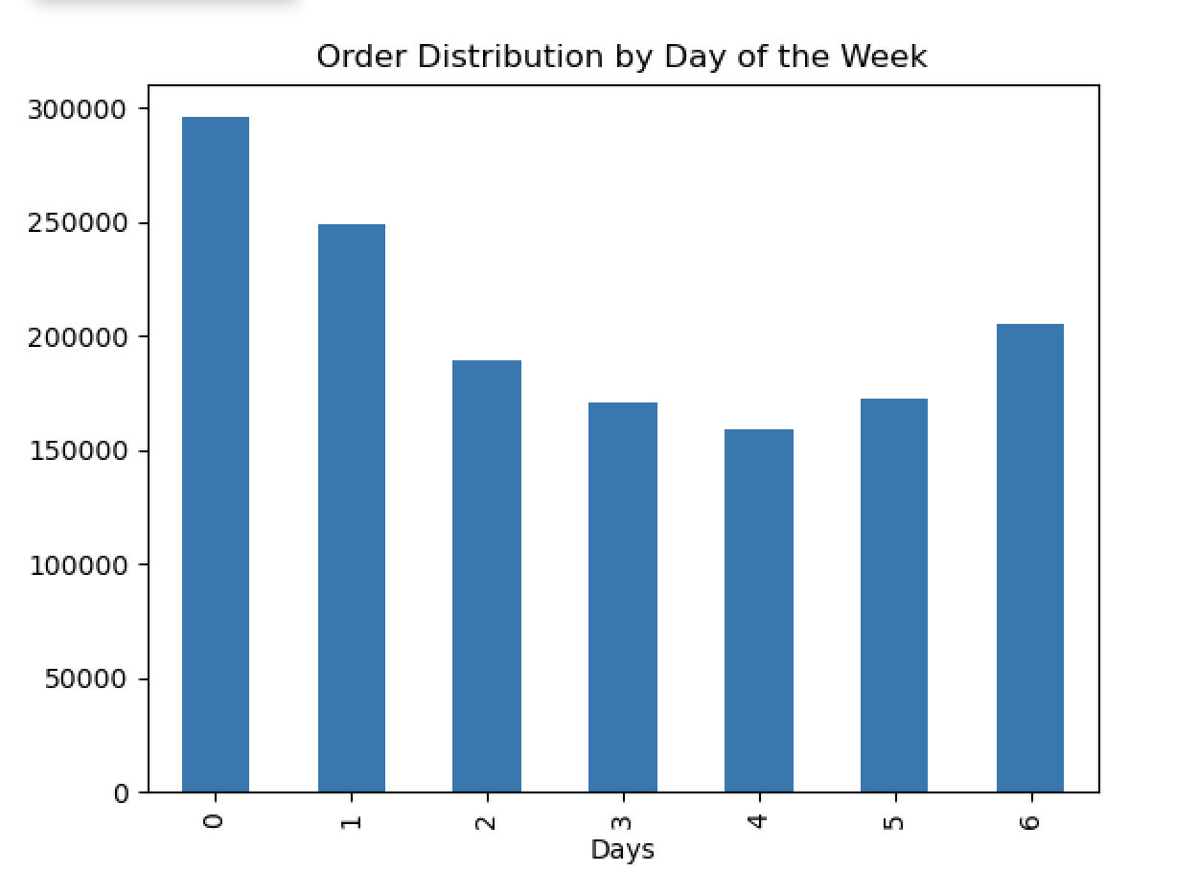
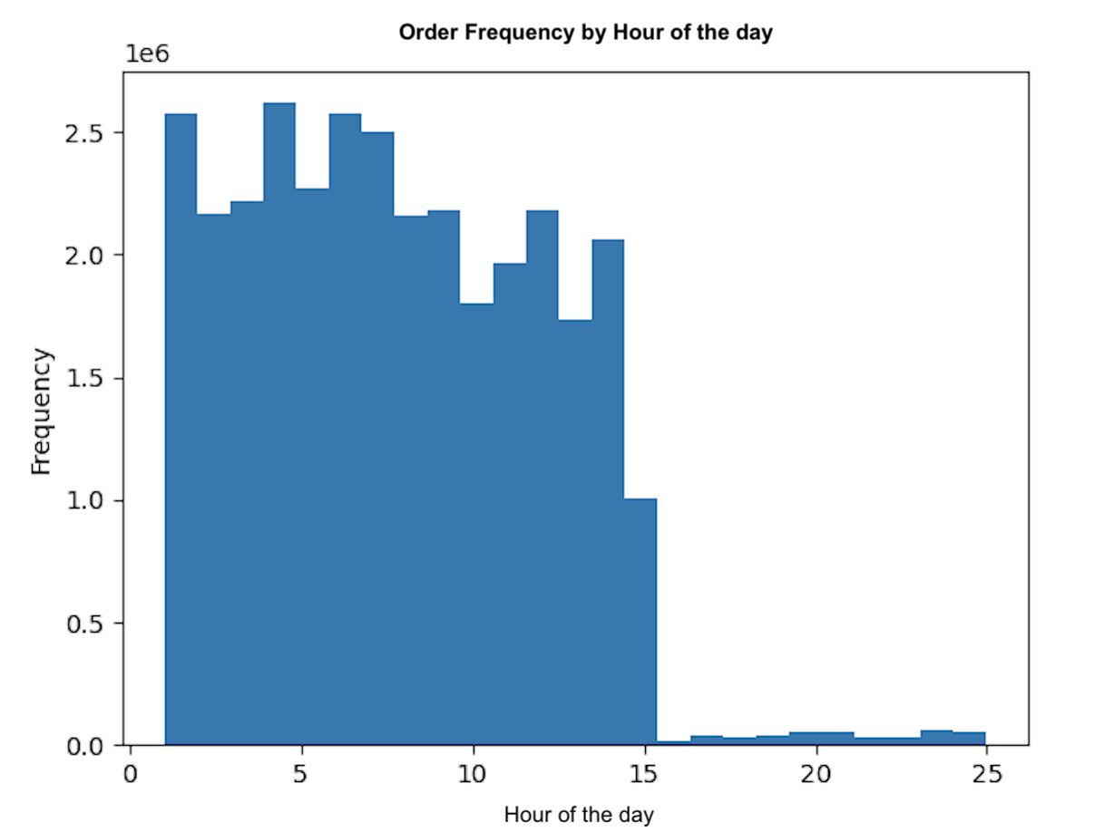

 | Most orders are placed over the weekend with Saturday being the busiest day. Tuesday and Wednesday are the least busy.
 |  |  |  | The order frequency increses rapidly and it reaches it's peak at 10 am. The frequency stays stable until 15 pm and rapidly declines afterwards until it reaches it's lowest point at 3 am.

 | Are there particular times of the day when people spend the most money?

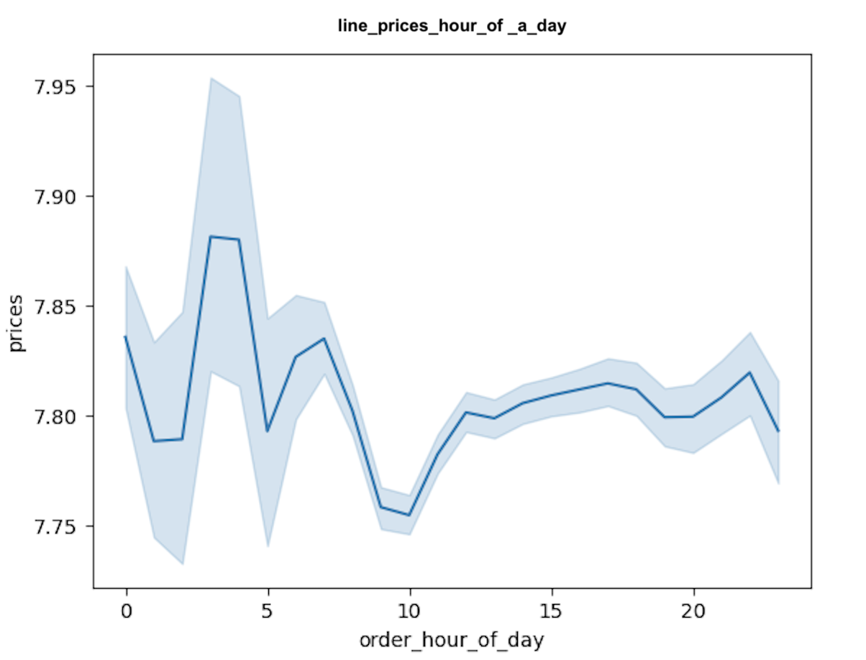

Customers seem to spend more on orders during the early morning hours (1am to around 6am). The lowest price per orders seem to occur around 10am after which they start to rise before slighty dipping

 | What’s the distribution among users in regards to their brand loyalty (i.e., how often do they return to Instacart)?

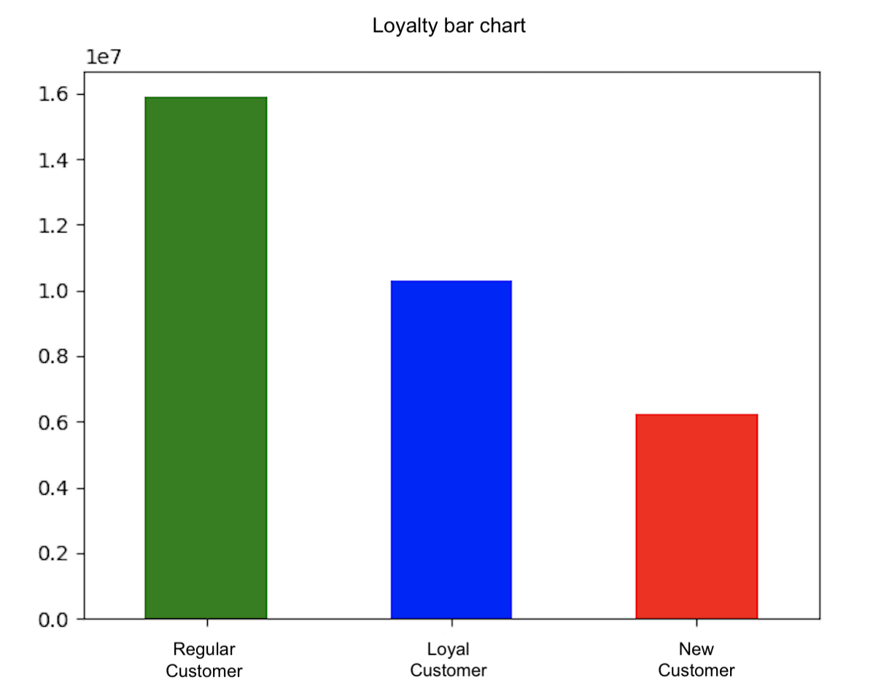

ORDER DISTRIBUTION BY CUSTOMER LOYALTY
Regular customers place the most orders with Loyal customers coming after that, being the leasts the new customers.

 | Are there certain types of products that are more popular than others?
 | Which departments have the highest frequency of product order?

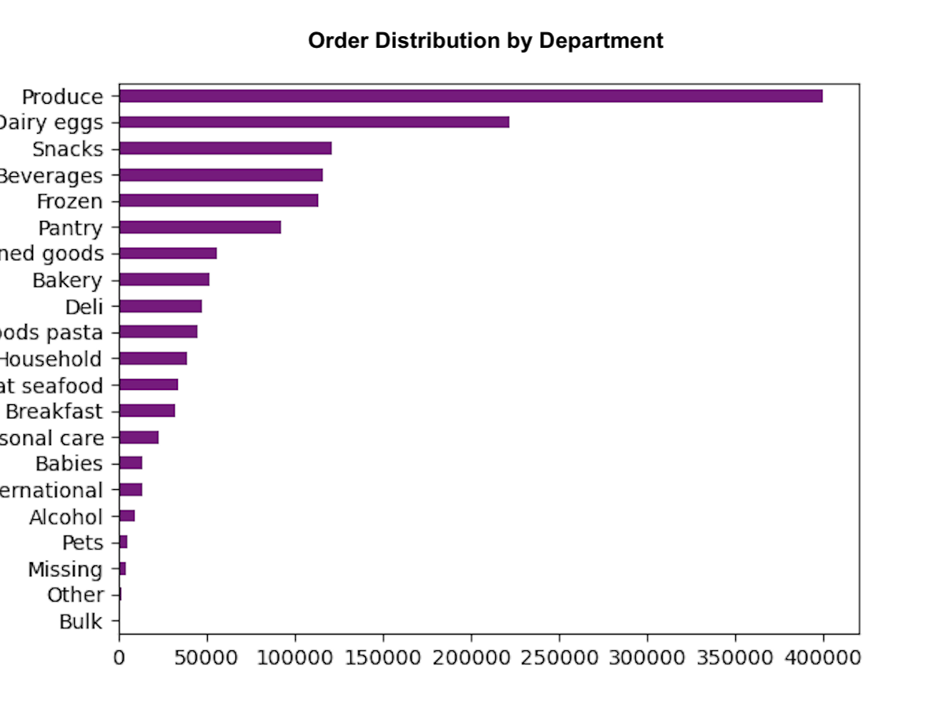
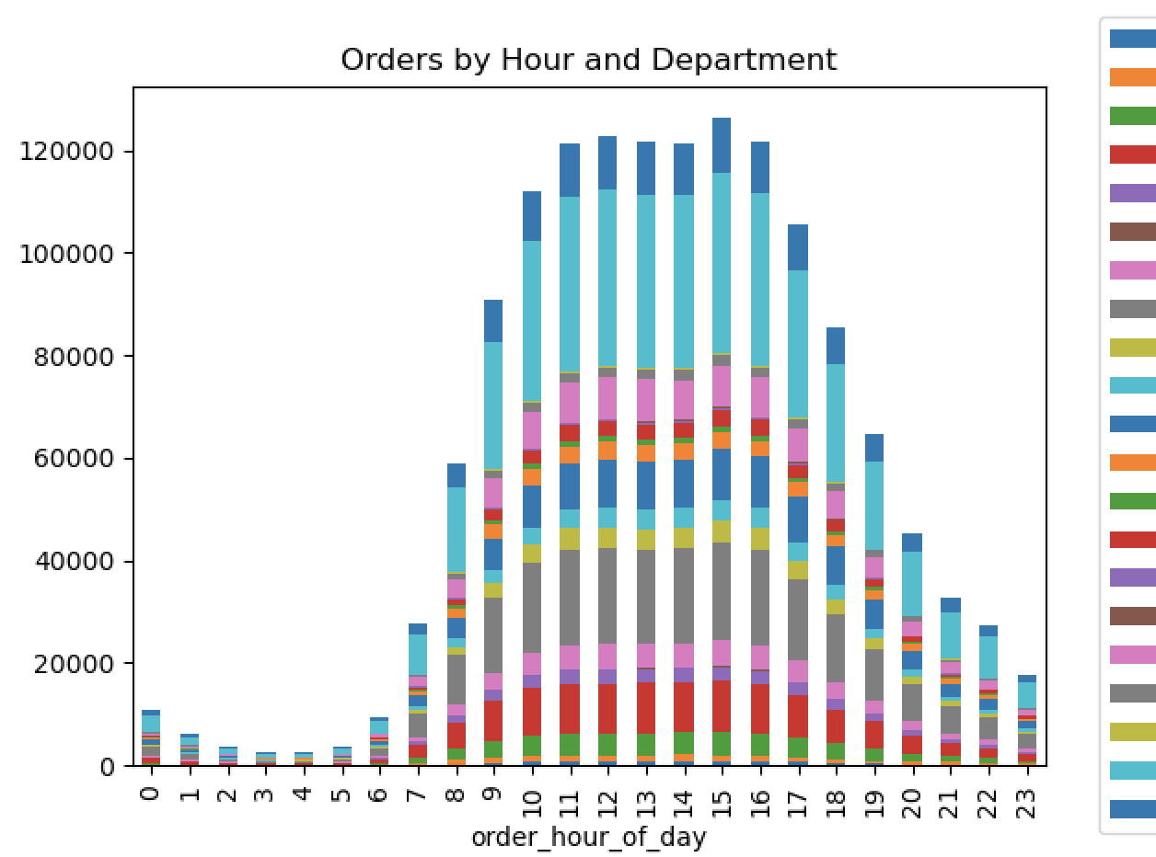
alcohol
babies
bakery
beverages
breakfast
bulk
canned goods
dairy eggs
deli
dry goods pasta
frozen
household
international
meat seafood
missing
other
pantry
personal care
pets
produce
snacks

Most ordered products are produce in the first place, followed by dairy eggs, snacks then come beverages and frozen .

 | Is there a connection between age and number of dependants? |  |  |  |  | Is there a connection between age and family status in terms of ordering habits?
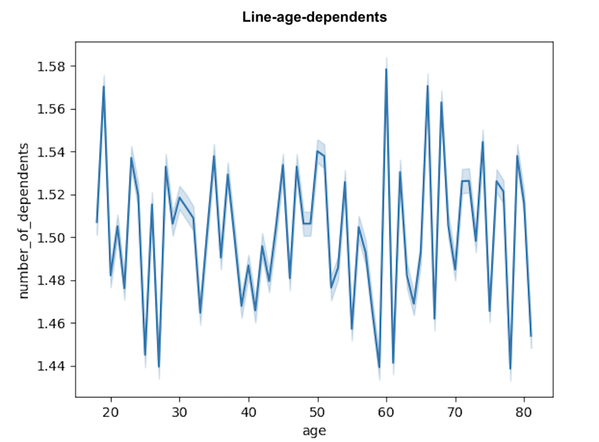
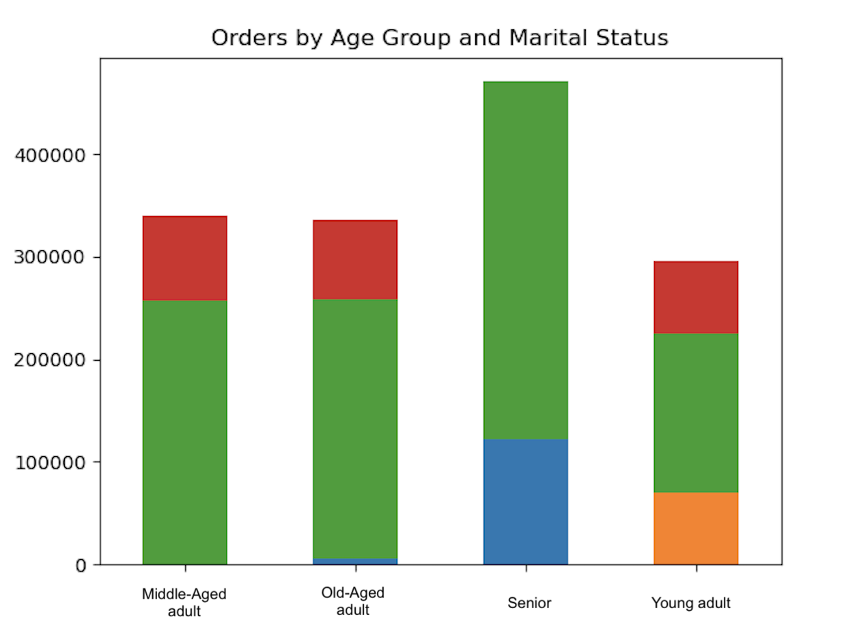

Most orders are placed by married customers.
Customers living with theirs parents make up one fourth of young adults.
Single senior customers are almost non-existing.
Two thirds of senior customers are married and one third is divorced or widowed.
Singles place a similar amount of orders in all age groups except senior customers.

There is no correlation betweem age and the number of dependents.

 | Is there a connection between age and spending power income? |  |  |  |  | Are there differences in ordering habits based on a customer’s region?

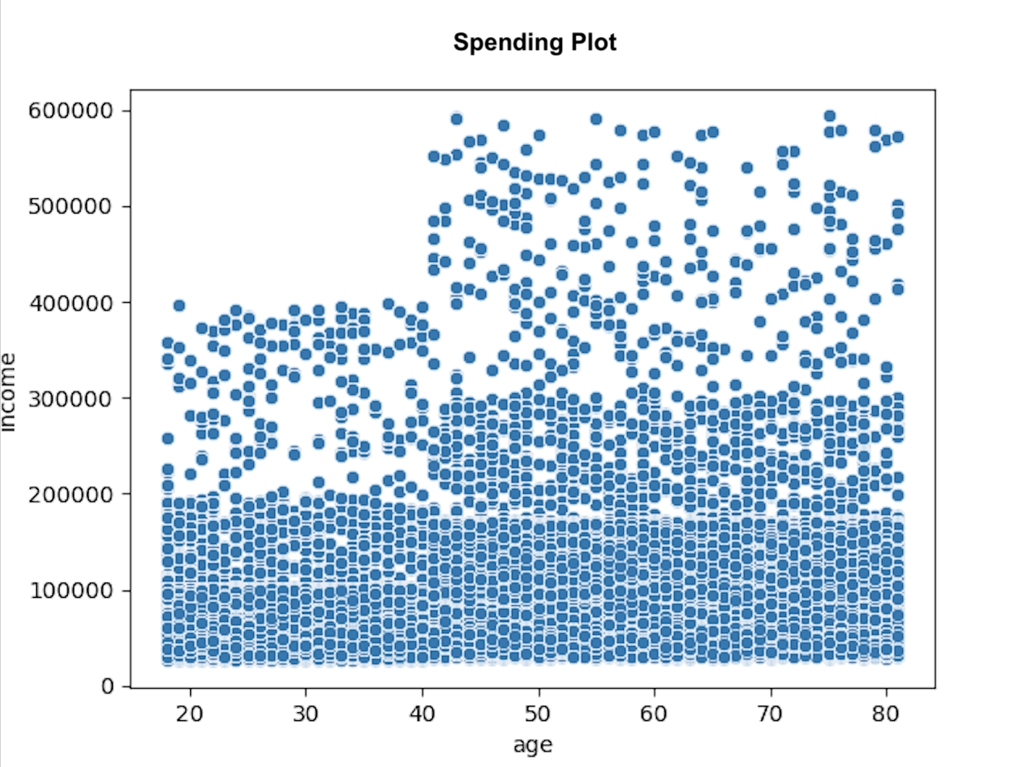

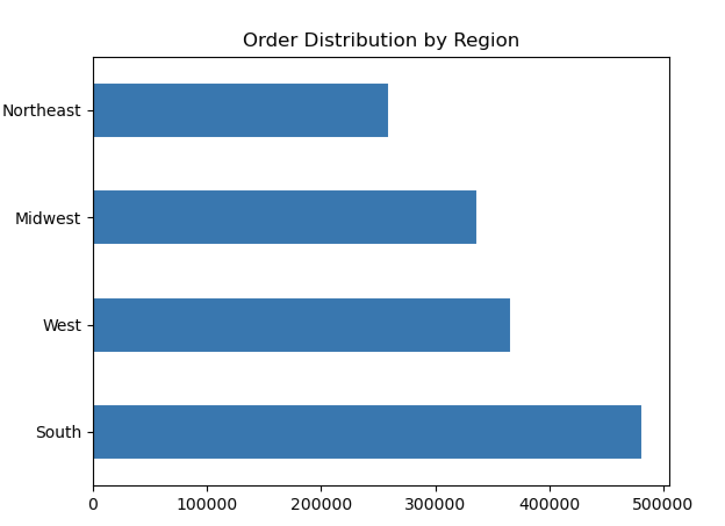
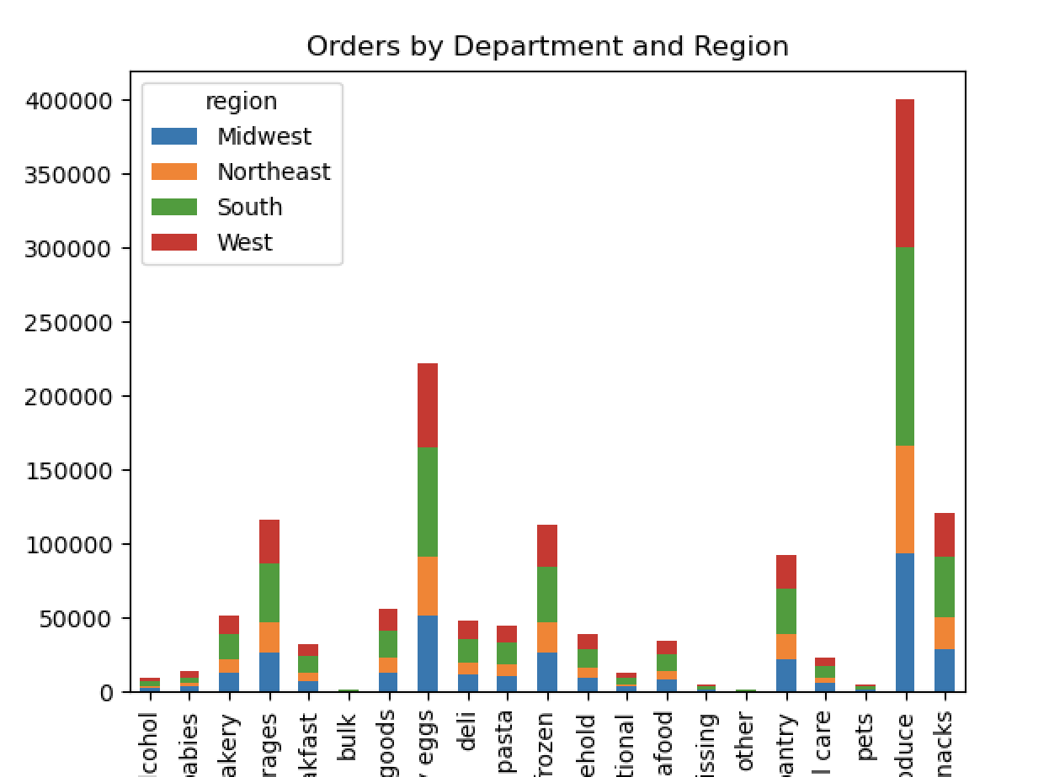

There is a positive correlation between age and income. As the older you become, the more income you'll earn. The scatterplot showing the relationship between between age and spending power (income) of instacart customers. Based on the scatterplot, there is a large concetration of customers across all ages that earns up to 200,000 (USD) and customers who are 40 years and older are earning up to 600,000 (USD). So, customers who are 40 years and older might spend more because of their higher income.

Most orders are placed in the South of the US.
Products from the top 4 departments (produce, dairy eggs, snacks, beverages) are most ordered in the south.
The alcohol, international and pets departments sold the least products

 | What different classifications does the demographic information suggest?

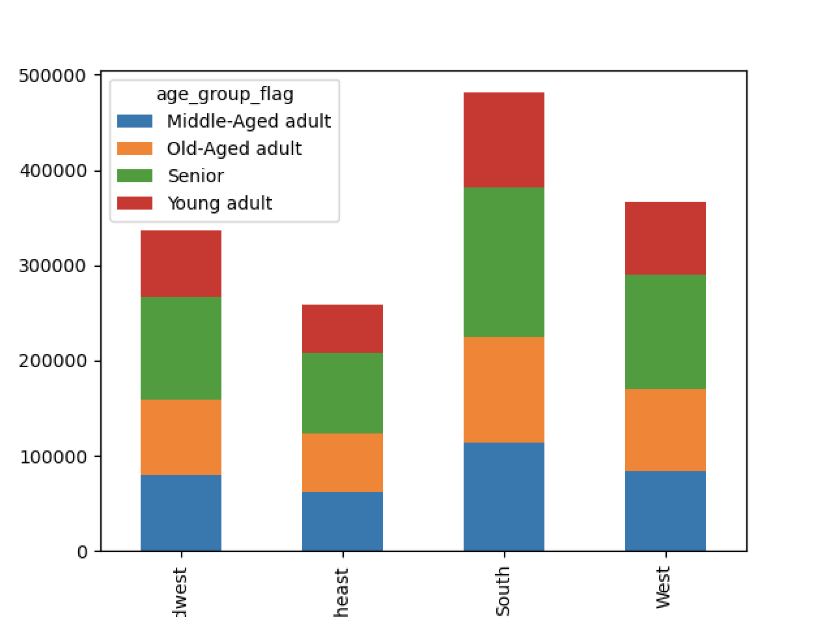
 | AGE
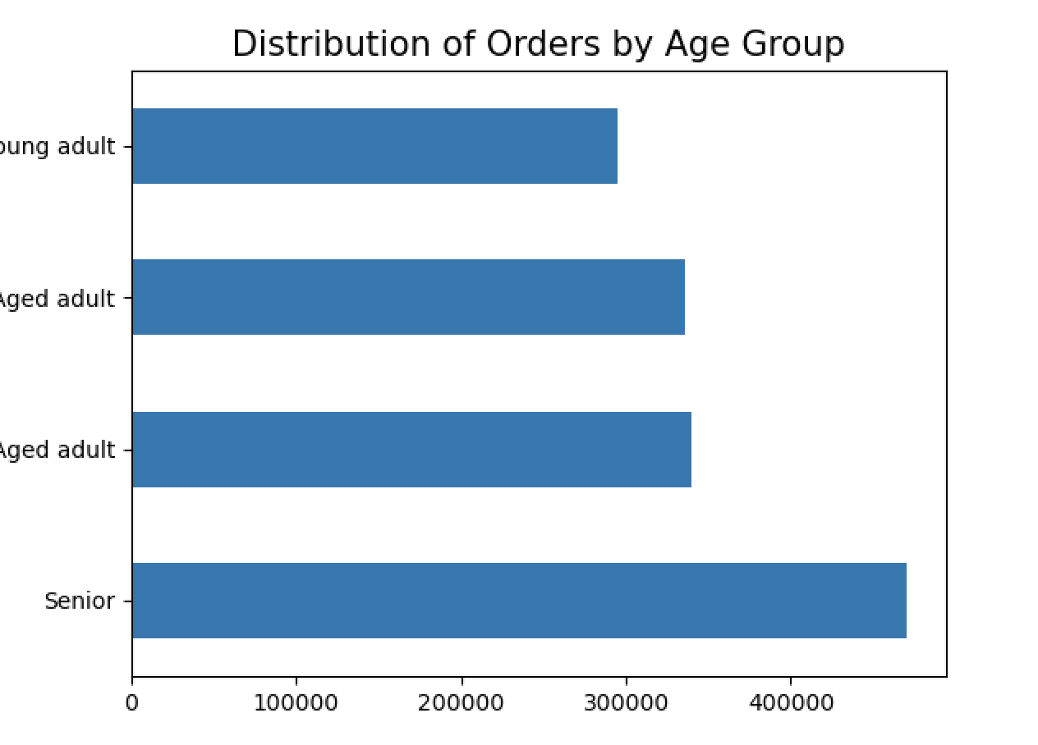

Senior customers are placing the most orders.
The majority of customers over all age groups are low spenders with only a small part of high spenders.
The frequency of ordering shows a very similar pattern over all age groups.
Most to least orders: Frequent customers, regular customers, non-frequent customers.

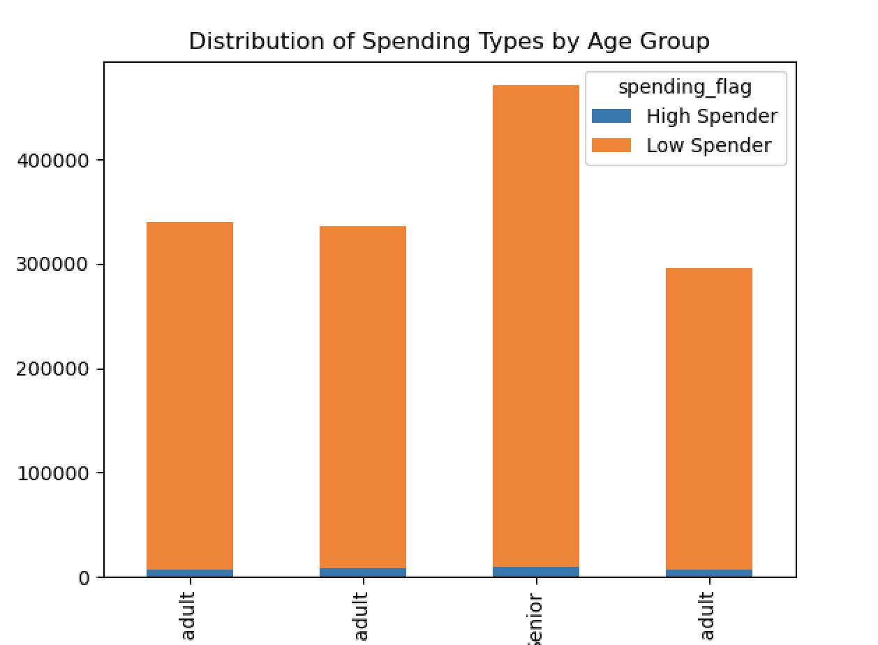

 |  | INCOME

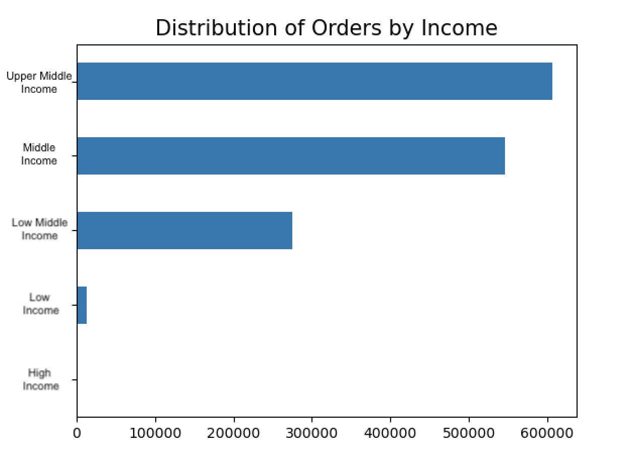
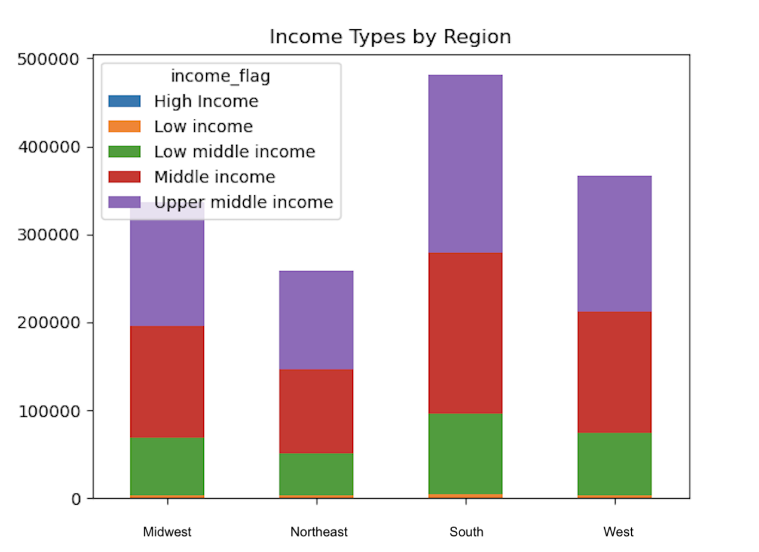
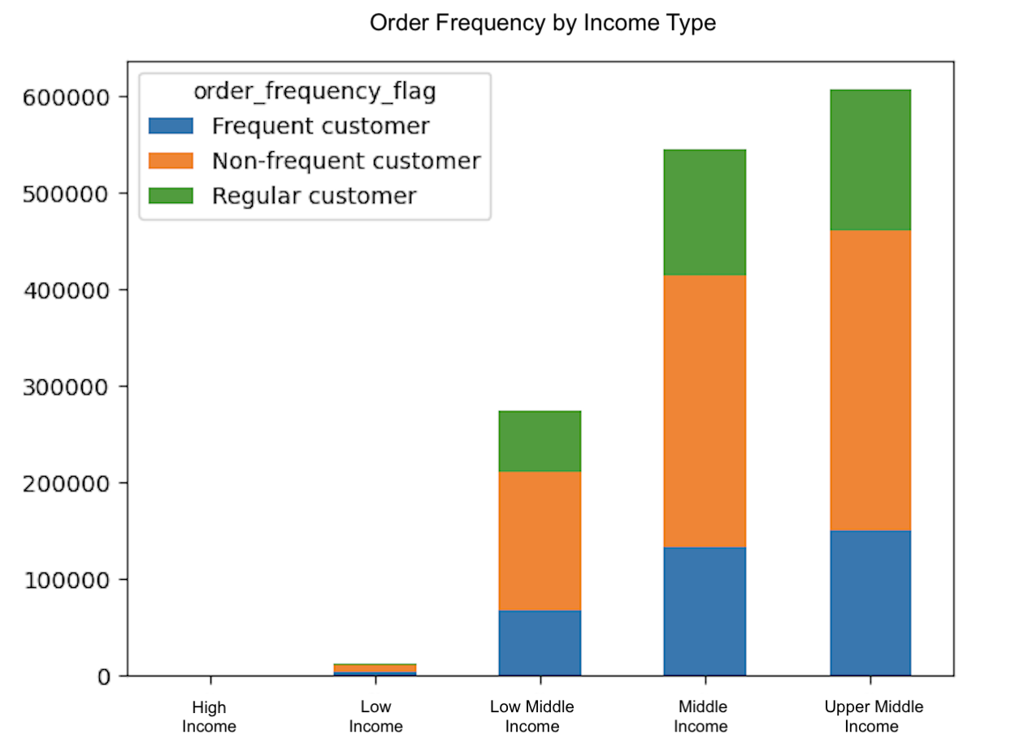

Most orders are place by customer with upper middle income with the category middle income close behind.
The amount of orders placed by customers with low income and high income in comparison are extremly low.
The South has the most customers with upper middle income.

 |  |  | CHILD AGE

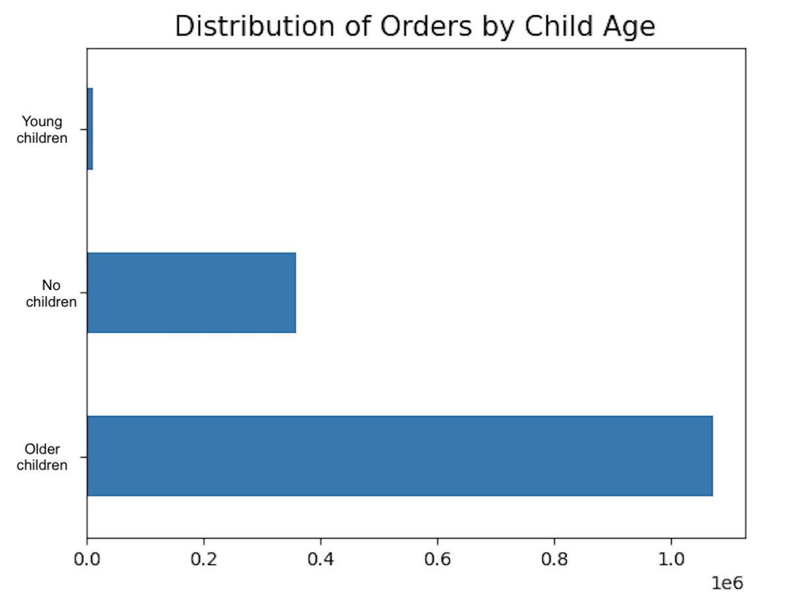

A very small part of orders are placed by customers with young children (babies and toddlers). The largest amount of orders are placed by customers with older children.
Based on the order distribution by marital_status and household size, we can hypothesize that most customers are shopping for medium (middle) sized families.

7. Recommendations
 |  |  |  |  |  | Title page

Recommendations

In this tab you should include any recommendations you would made to Instcart in terms of their marketing strategy based on the questions posed in the brief. Every key question has been covered in the Tasks of the Exercises - here you need to add an item - a visualisation or table/crosstable that is showing the answer in the data, acompanied by a comment from you. Please, list the questions below and add the answer underneath.

The sales team needs to know what the busiest days of the week and hours of the day are (i.e., the days and times with the most orders) in order to schedule ads at times when there are fewer orders.

The busiest days of the week are Saturday and Sunday between the hours of 8 am to 4 pm. The least busy days are Tuesday and Wednesday between the hours of 2 am to 5 am. Therefore, Instacart should schedule ads on Wednesday during the times 6 am to 8 am and 5pm to 10 pm. Scheduling it earlier than 6 am and later than 10 pm will not be beneficial as people may still be sleeping.

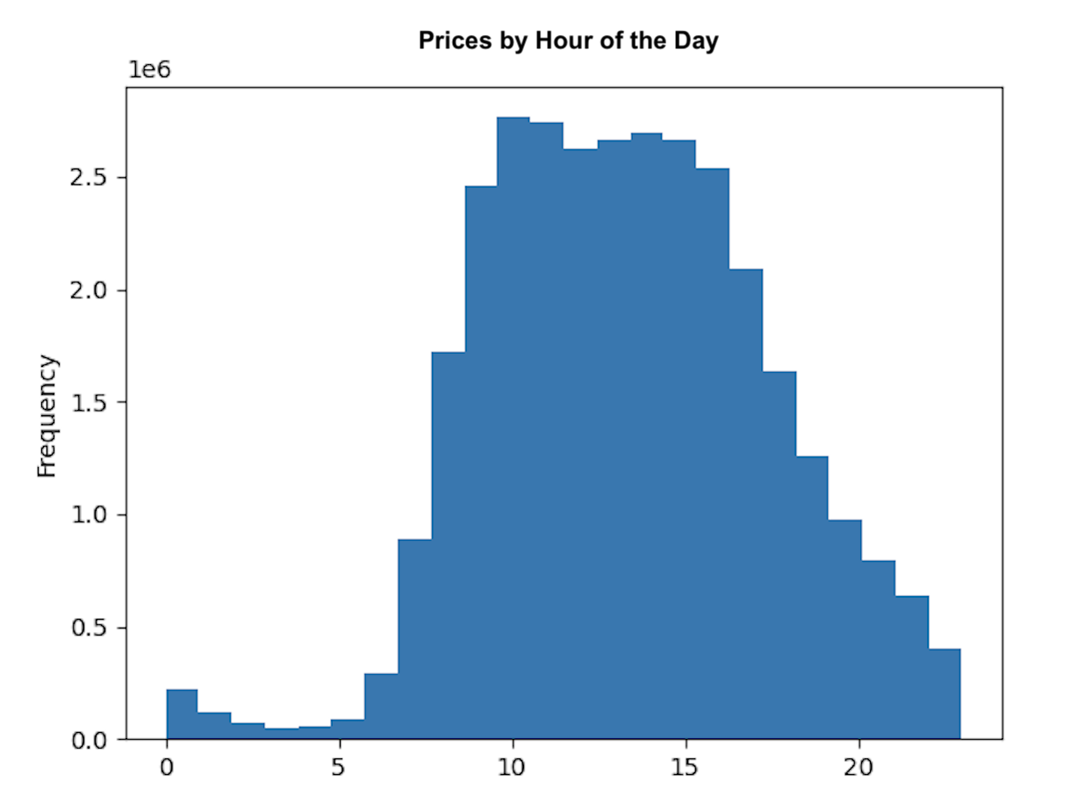

 |  |  |  | # | Column2
 |  |  |  | 0 | Saturday
 |  |  |  | 1 | Sunday
 |  |  |  | 2 | Monday
 |  |  |  | 3 | Tuesday
 |  |  |  | 4 | Wednesday
 |  |  |  | 5 | Thursday
 |  |  |  | 6 | Friday

They also want to know whether there are particular times of the day when people spend the most money, as this might inform the type of products they advertise at these times.

Customers seem to spend more on orders during the early morning hours (1am to around 6am). The lowest price per orders seem to occur around 10am after which they start to rise before slighty dipping and rising again until around 11pm from which the prices per order fall until 1am.

Instacart has a lot of products with different price tags. Marketing and sales want to use simpler price range groupings to help direct their efforts.

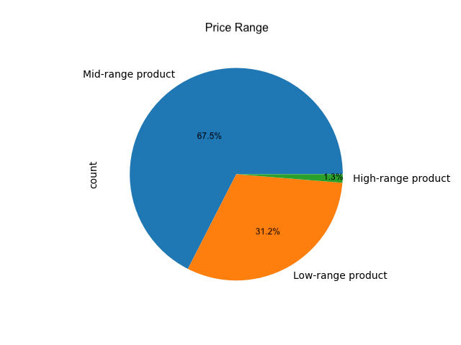
department | High-range product | Low-range product | Mid-range product
alcohol | 0 | 35243 | 118500
babies | 0 | 125317 | 298485
bakery | 0 | 287938 | 888849
beverages | 0 | 852974 | 1835185
breakfast | 0 | 219333 | 491314
bulk | 0 | 1221 | 33352
canned goods | 0 | 298683 | 769375
dairy eggs | 5127 | 1431016 | 3977873
deli | 0 | 313628 | 737621
dry goods pasta | 0 | 299327 | 567300
frozen | 0 | 681412 | 1555020
household | 0 | 258269 | 480397
international | 0 | 76974 | 192279
meat seafood | 412327 | 0 | 296604
missing | 0 | 19746 | 49399
other | 0 | 15972 | 20319
pantry | 228 | 531864 | 1343485
personal care | 0 | 130927 | 316764
pets | 0 | 29551 | 68173
produce | 0 | 2697883 | 6781408
snacks | 0 | 1819106 | 1068444

Are there certain types of products that are more popular than others? The marketing and sales teams want to know which departments have the highest frequency of product orders.

Most orders are in the produce and dairy and eggs departments with snacks and beverages close behind.
Dairy & eggs, meat & seafood, and pantry items are the only departments that have items high-range priced products. Meat & seafood in fact, only have products of this category.
The produce department has the highest number of orders and has mostly low-range products. Same with the dairy & eggs department.

The marketing and sales teams are particularly interested in the different types of customers in their system and how their ordering behaviors differ. For example:
What’s the distribution among users in regards to their brand loyalty (i.e., how often do they return to Instacart)?

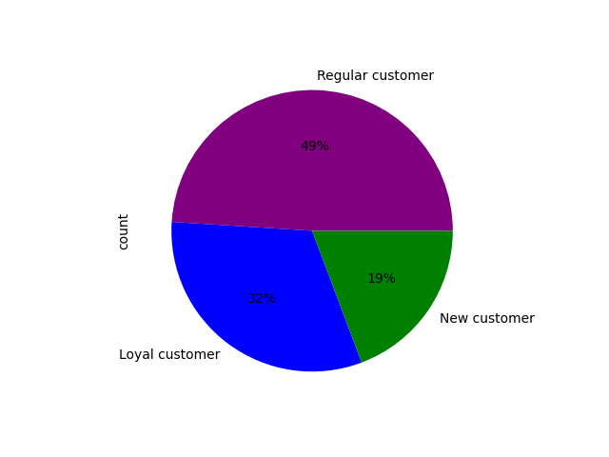

Regular customers place the most orders with Loyal customers coming after that. New customer still place a large number of orders.

Are there differences in ordering habits based on a customer’s region?

Most orders are placed in the South of the US.
Products from the top 4 departments (produce, dairy eggs, snacks, beverages) are most ordered in the south.
The alcohol, international and pets departments sold the least products.

Is there a connection between age and spending power (income)?

Is there a connection between age and family status in terms of ordering habits?
What different classifications does the demographic information suggest?
Age? Income? Certain types of goods? Family status?

Most orders are placed by married customers.
Customers living with theirs parents make up one fourth of young adults.
Single senior customers are almost non-existing.
Two thirds of senior customers are married and one third is divorced or widowed.
Singles place a similar amount of orders in all age groups except senior customers.

